Main
Fronthaul dimensioning tool for LTE in DL
Developed by Foxconn and MTI
Edit values of input parameters to see resulting fronthaul throughput.

Configuration |  |  |  |  | Assumptions
 |  | Variant 1 | Variant 2 | Variant 3
 | Input Parameters | Value | Value | Value |  | Split 7.3 - only data for PDSCH taken into account, control channels impact is treated as negligible here
Radio | Bandwidth [MHz] | 20 | 100 | 20 | 187.5 | Throughput requirement in Mbps for spilt option 1-6 [NGMN Small Cell Backhaul Requirements] for 20 MHz, 64QAM, 2 MIMO layers
 | # of symbols per subframe | 14 | 14
 | # of CFI symbols | 1 | 1 |  | Option 7-3 (Only for DL) | Only the encoder resides in the CU, and the rest of PHY functions reside in the DU.
 | # of UEs per TTI | 1 | 1 |  | Option 7-1 (DL) | iFFT and CP addition functions reside in the DU, the rest of PHY functions reside in the CU.
 | # of RE for reference singal per RB per subframe | 6 | 6
 | # of subcarriers per RB | 12 | 12 |  | Splits naming convention from 38.801
 | # of antennas | 2 | 16
 | # MIMO layers | 2 | 16 | 2
 | Bit width (I+Q) | 32 | 32
 | Compression, % of orginal | 100% | 59% | 100%
 | Modulation (e.g. 64QAM = 6, 256QAM = 8) | 6 | 8 | 6
 | # Sectors | 1 | 1 | 1
 | Duplex | FDD | FDD | FDD
 | % for DL for TDD | 50% | 50% | 50%
 | DL load factor | 100% | 100% | 100%

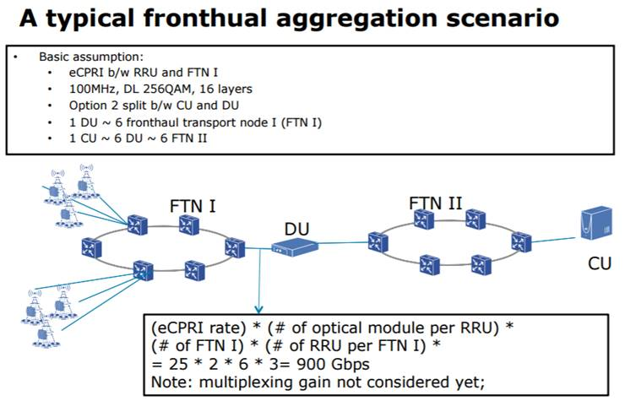
 | Split option | 3GPP Option 8 | 3GPP Option 7.1 | 3GPP Option 2
FH entering DU | Transport overhead, % (e.g. CPRI 25%, RoE <10%) | 0.0% | 0.0% | 0.0%
 | MUX gain on link entering DU [sum of throughputs/aggregated throughput] | 1 | 1 | 1
 | # of RRU per FTN I | 1 | 3 | 1
 | # of FTN I per DU | 1 | 6 | 1
 | # of opticals modules per RRU (FFS: clarify purpose) | 1 | 2 | 1

FFS | number of DU per CU
 | Resiliency

 | Resulting DL throughput, Gbps | 1.96608 | 905.74848 | 0.1875

 |  |  |  |  | Source: tf1_1701_huang_two-level-architecture_2.pdf

 | Ideas FFS
 | After selecting a given split, parameters that have impact are highlighted
 | Evaluate throughput for UL
 | Lock some fields
 | Verify TDD

